STP Roadway Application
Surface Transportation Block Grant Program – Urban (STBG-U)
Project Application and Ranking Process - Roadway Reconstruct/Expansion
Due: February 6, 2020

Project Name, Location and Brief Description:

Attachment 2435 Form

A) Congestion Relief and System Operations (0-25 points)
When assigning points consider how well the project provides immediate and long term congestion relief at an intersection, roadway or the network as a whole.

How congested is the intersection or roadway segment currently and projected to be in the future?

1) Current v/c ratio:
2) Projected no-build v/c ratio:

To what degree is the project expected to improve capacity, not only on the roadway itself but elsewhere in the transportation system?

3) Projected build v/c ratio*:

Location: |  | Transportation system v/c ratios*:
4) |  | No-build v/c ratio: |  |  | Build v/c ratio:
5) |  | No-build v/c ratio: |  |  | Build v/c ratio:
6) |  | No-build v/c ratio: |  |  | Build v/c ratio:
7) |  | No-build v/c ratio: |  |  | Build v/c ratio:
8) |  | No-build v/c ratio: |  |  | Build v/c ratio:

*may require additional model runs to determine traffic projections under build conditions. Contact BMPO.

Capacity Worksheet

B) Safety (0-25 points)
When assigning points consider how well the project addresses high accident locations by including safety improvements to mediate the primary causes of crashes.

What location(s) exist within the projects scope that are considered to have a high degree of accidents? Why are they deemed to be critical accident locations that need attention?

Accident Location and Rates:
1)
Crash: | Severity: |  | Density: |  | Overall:
2)
Crash: | Severity: |  | Density: |  | Overall:
3)
Crash: | Severity: |  | Density: |  | Overall:

Accident Worksheet

What are the primary causes of accidents and contributing circumstances from crash reports?

Identify project design elements/counter measures implemented to address primary causes of accidents. Include related crash reduction factor:
Crash reduction counter measures: |  |  |  | Crash reduction factor:
1)

2)

3)

C) System Preservation (0-20 points)
When assigning points consider how well the project preserves or enhances the transportation system.
What is the current pavement condition?

Pavement surface rating:

Pavement Rating System (for more information regarding surface rating)

What traffic control devices, if any, will be added or upgraded?

What bridges in poor condition, if any, will be replaced (deck, superstructure, and/or substructure or culvert) as part of this project? What bridges in fair or poor condition, if any, will be rehabilitated as part of this project?

D) Multi-modal and Accessibility (0-10 points)
When scoring points consider if the project includes multi-modal facilities for improved accessibility, connectivity and safety.

Plan or study that identifies multi-modal project or need:

What bicycle and pedestrian improvements, if any, are included in the project?

What public transportation improvements, if any, are included in the project?

E) Support Economic Vitality (0-10 points)
When scoring points consider if the project improves access to housing, jobs, recreation and other areas of economic importance.

What corridor preservation techniques, if any, were implemented in relation to the project?

Does the project extend an existing roadway or address a gap in the roadway network?

F) Project Feasibility (0-10 points)
When scoring points consider if the project is good fit for federal funds based on cost and impacts.

Attachment 1150 Form

What is the total estimated cost of the project?

What is the estimated cost per mile?

Is the project coordinated with other funding sources?

What potential environmental impacts may require remediation?
Roadway Reconstruct/Expansion Application Requirements and Criteria

A) Congestion Relief and System Operations
Project types: adding travel lanes, traffic signals, roundabouts, additional turning lanes, medians, turning restrictions, etc.
Current v/c ratio – to what extent is a roadway segment or intersection currently congested? Typically a higher ratio assumes a higher point value be assigned to this category.
Projected no-build v/c ratio – to what extent is a roadway segment or intersection projected (20-25 years) to be congested if project is not implemented? Typically a higher ratio assumes a higher point value be assigned to this category.
Projected build v/c ratio – to what extent does congestion improve on a roadway segment or intersection when compared to the no build congestion? Typically a greater decrease between the no-build and build ratios assumes a higher point value be assigned to this category.
Transportation system v/c ratios – to what extent does congestion improve on other arterial and collector roadway segments? It should be noted that a roadway segment with added capacity may experience a negligible decrease in v/c ratio. This can be explained, in part, by shifting travel patterns as the added capacity may attract trips from other congested roadways or trips might be attracted because of a transportation network improvement such as a new interchange. This category helps identify if a project provides system wide congestion relief. Typically a greater decrease between the no-build and build ratios on the affected roadway segments assumes a higher point value be assigned to this category.

General congestion measures for v/c ratios:
< .60 Uncongested
.60 to .74 Minor Congestion
.75 to .84 Moderate Congestion
.85 to .99 Major Congestion
1.00 > Failure

Data Needs:
R. Functional Classifications - BMPO website > Long Range Transportation Plan > 2040 LRTP (pages 8 and 9)
Current/Future Traffic Data - BMPO website > Traffic Counts and Projections > Click here > Click on location

B) Safety
Project types: roundabouts, access management techniques, improved traffic signal indication, rumble strips, enhanced delineation, etc.
Accident rates and density - Typically higher rates and density when considered with proven project safety improvements assumes a higher point value be assigned to this category.
s Crash rate - compares the number of crashes with the number of vehicles at a location.
s Severity rate - identifies the severity of the crashes at the location.
s Crash density - identifies the average number of crashes that occur at a location per year.
s Overall rate - is the composite of all factors being considered.

Average rates and density based on arterial and collector streets where traffic volumes have been collected:
Crash rate: 0.65
Severity rate: 1.00
Crash density: 5.00
Overall rate: 1.33

Crash reduction counter measure and crash reduction factor - using your experience, area knowledge, and the FHWA Crash Reduction Factor Toolkits or Crash Modification Factors (CMF) Clearinghouse select counter measures and reduction factors for the project areas.

Data Needs:
Current/Future Traffic Data - BMPO website > Traffic Counts and Projections > Click here > Click on location
Historical Crash Data - WebCARS Office of Highway Safety Crash Analysis Reporting System

C) System Preservation
Project types: pavement seal coats and overlays, traffic signal improvements (e.g. display, controllers and detection), improved traffic signage, bridge repair, etc.
Pavement condition rating system - Typically roadways with a lower pavement surface rating assumes a higher point value be assigned to this category.

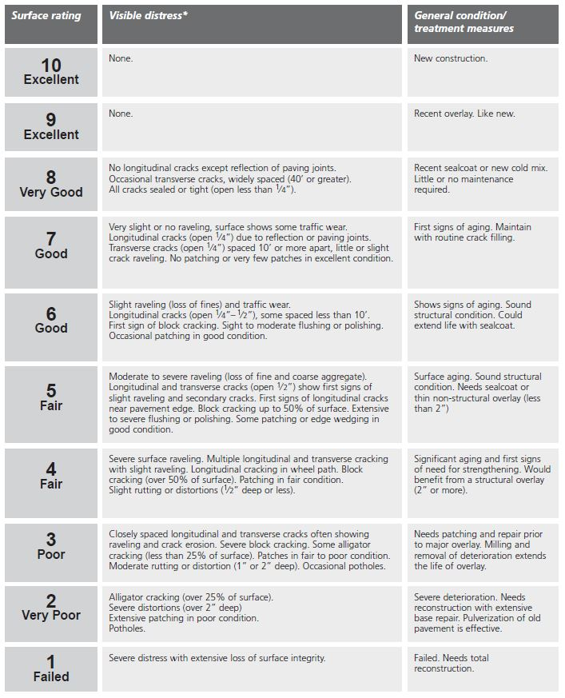
Pavement Surface Ratings:

Source: Pavement Surface Evaluation and Rating (PASER) Asphalt Roads Manual
Traffic control devices - a project that replaces or upgrades traffic control devices which improves the operation of an intersection or roadway typically assumes a higher point value be assigned to this category.
Bridges - in order to qualify for bridge funds the project needs to fall into one of three categories. Replacement: Bridge is in poor condition (deck, superstructure, and/or substructure, or culvert. Rehabilitation: Bridge is in poor or fair condition. Preserve: Bridge is in fair or good condition.

D) Multi-modal and Accessibility
Project types: pedestrian crossing treatments (e.g. grade separation, beacons and signage), bicycle lanes, shared use paths, bus stop improvements (e.g. bus pullouts, curb cuts and ramps near shelters), etc.
Multi-modal plan or study - in order to receive points the project or need must be identified in an approved planning document.
Bicycle and pedestrian improvements - projects that are located near schools or parks, extend or tie together existing facilities, and create a safer condition for bicyclists and pedestrians typically assumes a higher point value be assigned to this category.
Public transportation improvements - projects that improve accessibility and safety related to existing public transportation services typically assumes a higher point value be assigned to this category.

E) Support Economic Vitality
Corridor preservation techniques* - typically assumes a higher point value be assigned to this category when corridor preservation techniques such as land acquisition (e.g. purchase of easements, full title purchase), landowner agreements (e.g. annexation agreements, development agreements), land use regulations (e.g. development exactions, setback ordinances), access management consistent with current BMPA Access Management Plan and Roadway Master Plan (e.g. limiting curb cuts, reverse lot frontage) or other relevant techniques have been implemented.

F) Project Feasibility
Costs - the most recent project cost estimate from the ITD 1150 form will be considered under this criterion. Typically lower cost projects per mile assumes a higher point value be assigned to this category.
Funding sources - projects that can be constructed in conjunction with another project or that utilizes additional funding sources typically assumes a higher point value be assigned to this category.
Environmental impacts - projects that are perceived to have a limited number of environmental impacts and therefore may experience lower costs and less delays, typically assumes that a higher point value be assigned to this category.

Data Needs:
Potential Environmental Impacts - BMPO website > Long Range Transportation Plan > 2040 LRTP (page 72)

*There are some ways to acquire key properties within the parameters of NEPA: obtaining a categorical exclusion for right-of-way activities; using information developed during the planning process to demonstrate NEPA compliance for right-of-way authorizations, and possibly even construction authorizations; initiating full NEPA environmental document preparation during the planning process; and using a Tiered Environmental Document approach. Alternatively, local jurisdictions can acquire key properties in the right-of-way of the planned transportation improvement, which is not prohibited by NEPA rules.

Roadway Reconstruct/Expansion Application Deadline:
Completed applications must be submitted electronically to bmpo@bmpo.org by 4:30 p.m. on February 6th, 2020.

Include attachments:
ITD 1150 and 2435 Forms
Capacity Worksheets used to develop v/c ratios
Accident Worksheets used to develop crash, severity, denisty and overall rates
Any other maps, data, pictures, etc. that enhances the understanding of the project

